Bug report critical path Penins
ID | Project | Category | View status | Date Submitted | Last Update
1 | Manual software testing (checklist, bug report) | Homework 8.2
Reporter | Prokopenko Hennadii
Assigned to | Katasonov Kiril
Priority | Medium | Severity | Minor | Reproducibility
Status | Open | Resolution
Platform | Google Chrome | OS | Windows | OS Version | 10x64
Summary | A user has to enter the city name and the number of NP delivery office to oder a delivery. The web site does not rewert an error message if this information is absent or incomplete.
Description | A user has to enter the city name and the number of NP delivery office to oder a delivery. The web site does not rewert an error message if this information is absent or incomplete.
Steps To Reproduce | 1. Open the site https://peninsula.ua/
 | 2. Click button "Браслети"
 | 3. Click button "Браслети на стрічці»"
 | 4. Click Button "Браслет на стрічці комплект «Весняні сиволи»"
 | 5. Click Button "Add to Cart"
 | 6. Click Button "Place an oder"
 | 7. Don't enter any data (the city name and the number of NP delivery office)
 | 8. Click Button "Further"

 | Expected result: The web site rewerts an error message
 | Actual result: The web site does not rewert an error message. Empty fields are highlighted in red.
 | 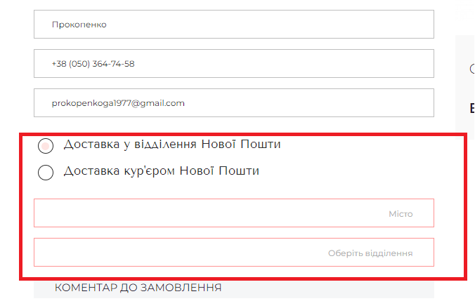
Aditional information

